Cover page
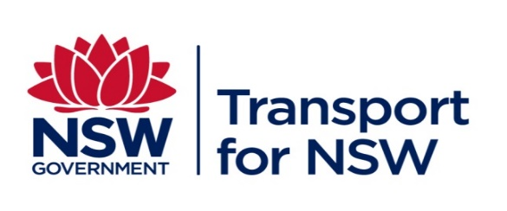

 | T MU AM 01009 TI

Technical information

Technical Maintenance Coding Register
Superseded by TS 01500:1.00 29/01/2024

Version: 1.70

Issued date: 05/12/2022

Important Warning
This document is one of a set of standards developed solely and specifically for use on public transport assets which are vested in or owned, managed, controlled, commissioned or funded by the NSW Government, a NSW Government agency or a Transport Agency (as defined in the Asset Standards Authority Charter). It is not suitable for any other purpose. You must not use or adapt it or rely upon it in any way unless you are authorised in writing to do so by a relevant NSW Government agency. If this document forms part of a contract with, or is a condition of approval by a NSW Government agency, use of the document is subject to the terms of the contract or approval.

This document may not be current. Current standards are available for download from the Asset Standards Authority website at |  | http://www.asa.transport.nsw.gov.au

